Dimension Reference
D

R

Procedure
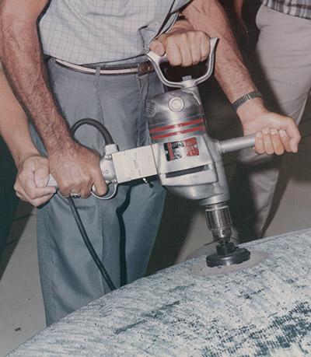
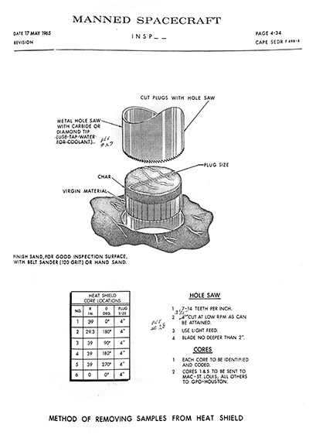
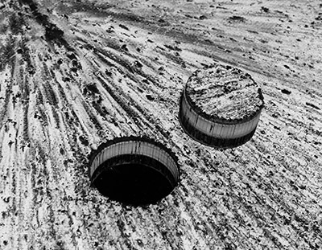

GT2
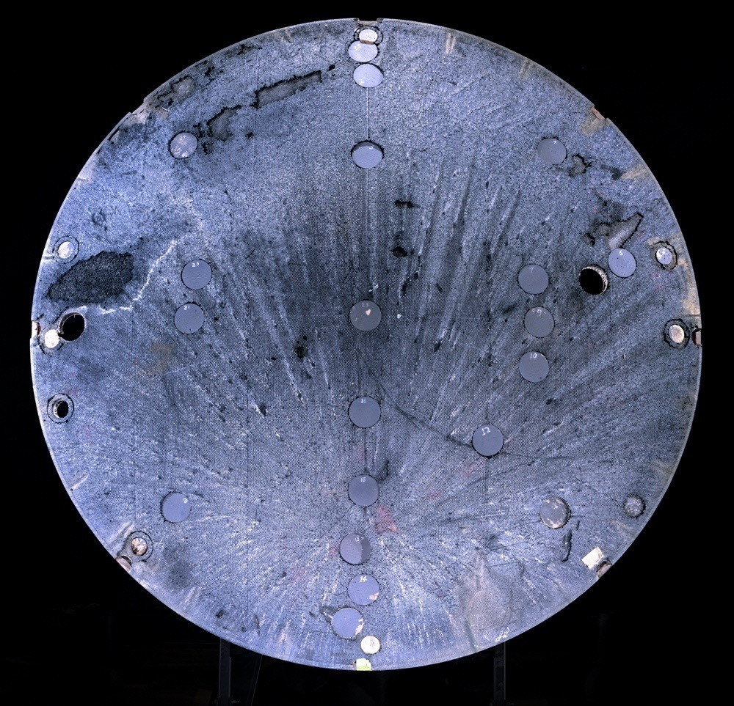
 |  | Core Size | Count
 | Yellow | 3" Circle | 9
 | Red | 4" Circle | 23

National Air and Space Museum, Steven F. Udvar-Hazy Center [Chantilly, VA]

GT3
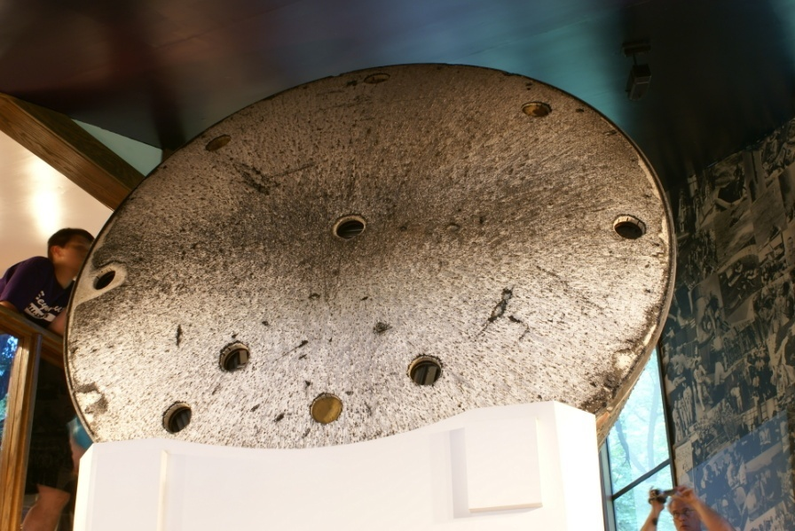

 |  | Core Size | Count
 | Yellow | 3" Circle | 0
 | Red | 4" Circle | 12

Grissom Memorial, Spring Mill State Park [Mitchell, IN]

GT4
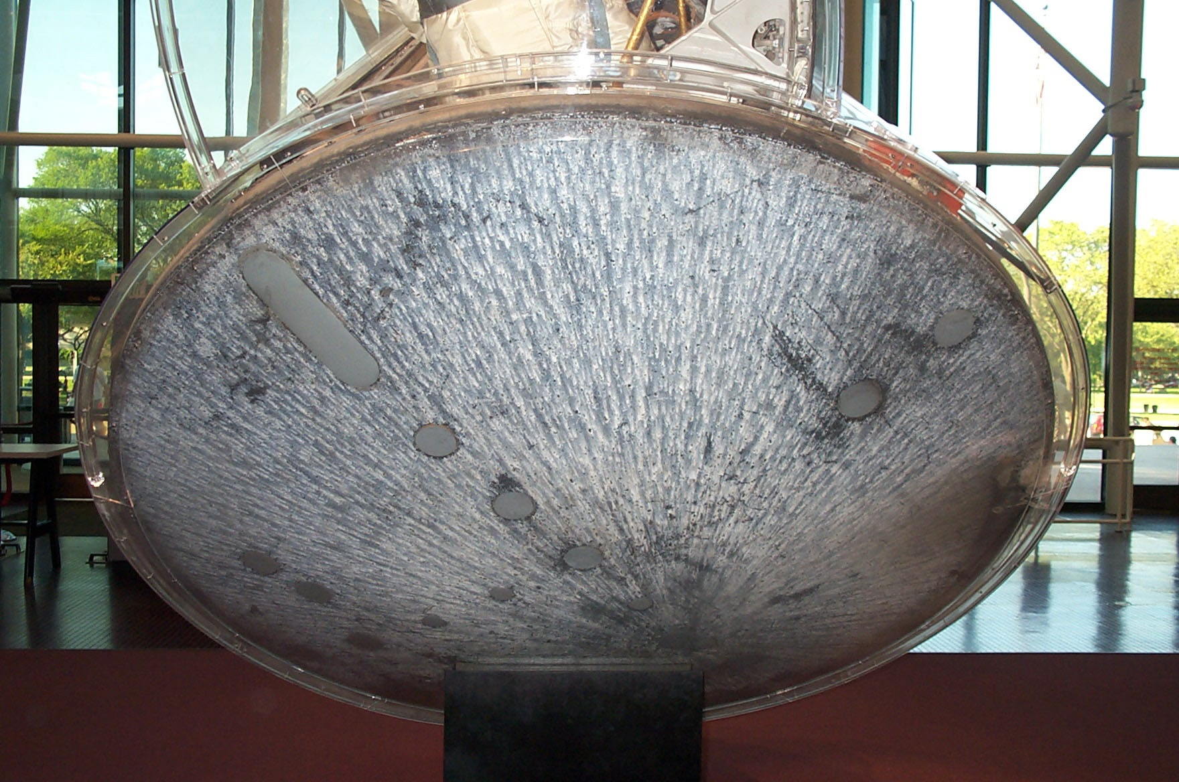
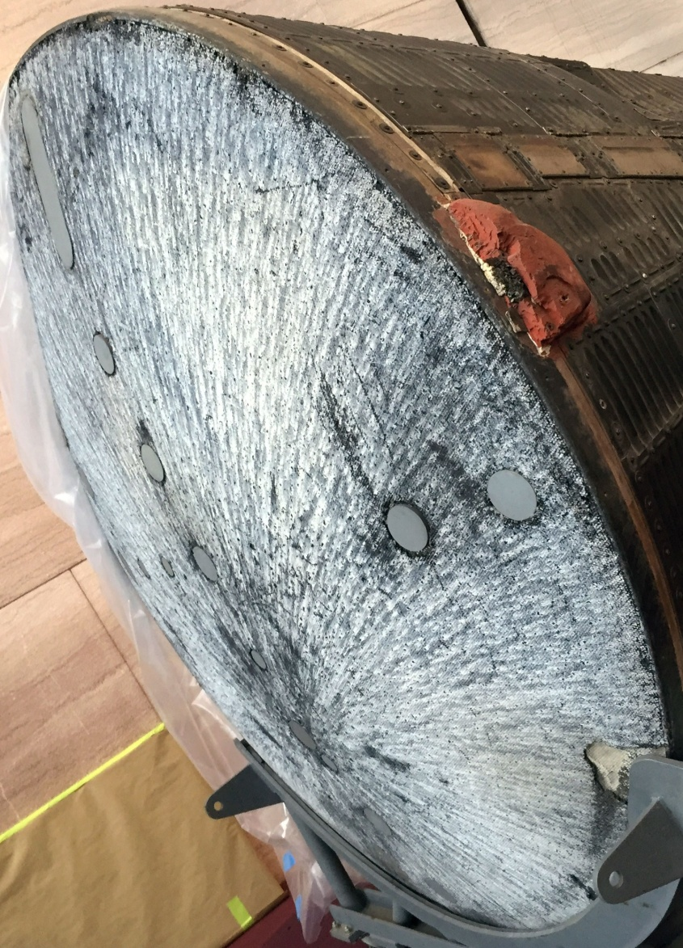

 |  | Core Size | Count
 | Yellow | 3" Circle | 5
 | Red | 4" Circle | 11

 |  | Cut # | Size (inches)
 | Blue | 1 | 12x4 | 48
1

National Air and Space Museum, [Washington D.C.]

GT5
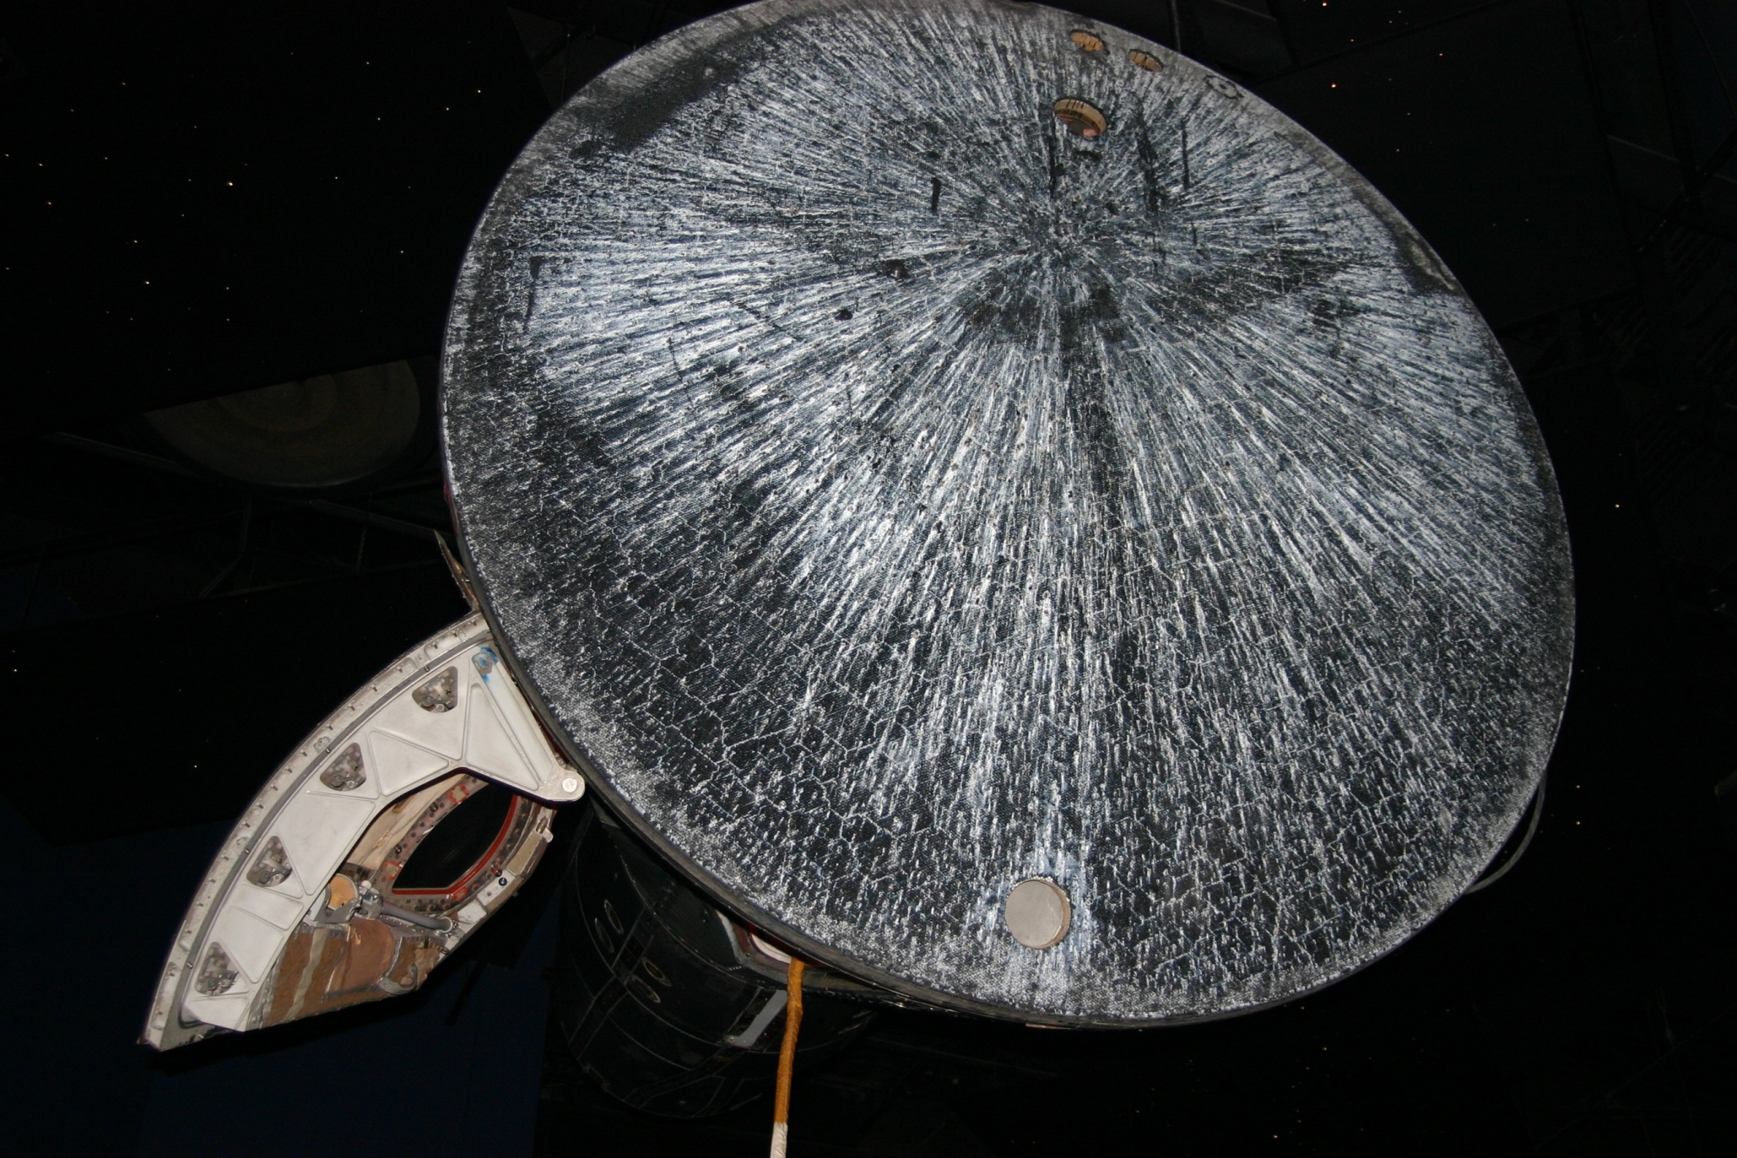
Circular cut started
but not extracted
 |  | Core Size | Count
 | Yellow | 3" Circle | 2
 | Red | 4" Circle | 2

Space Center Houston [Houston, TX]

GT6
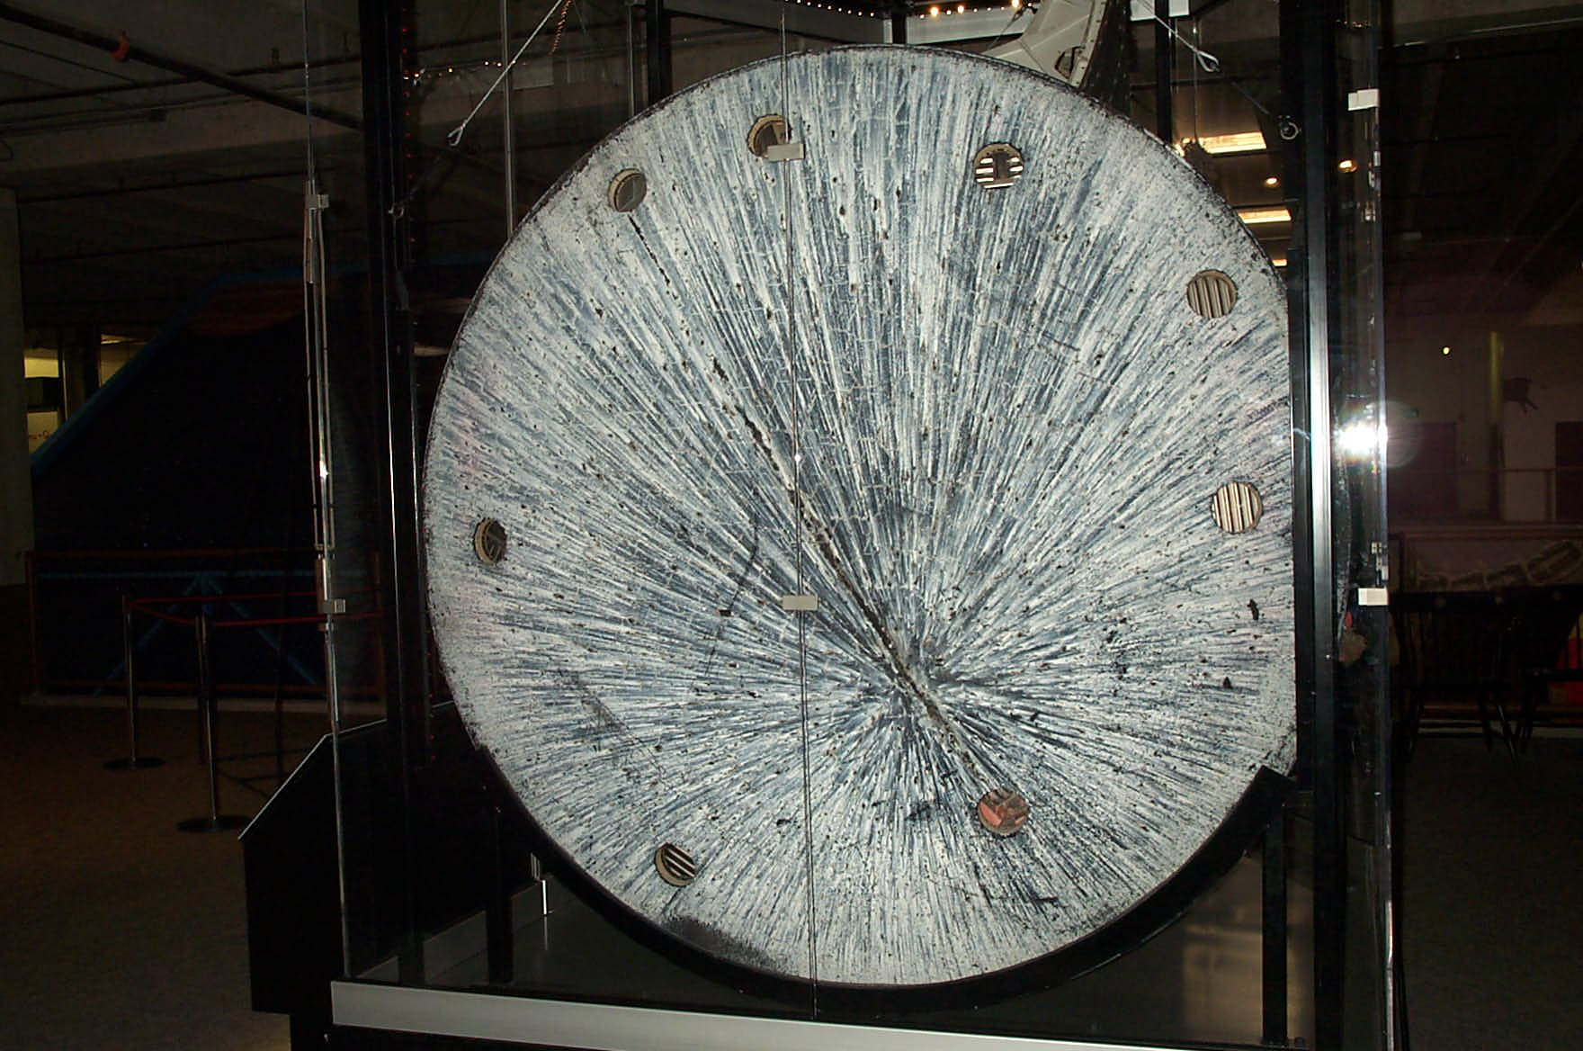
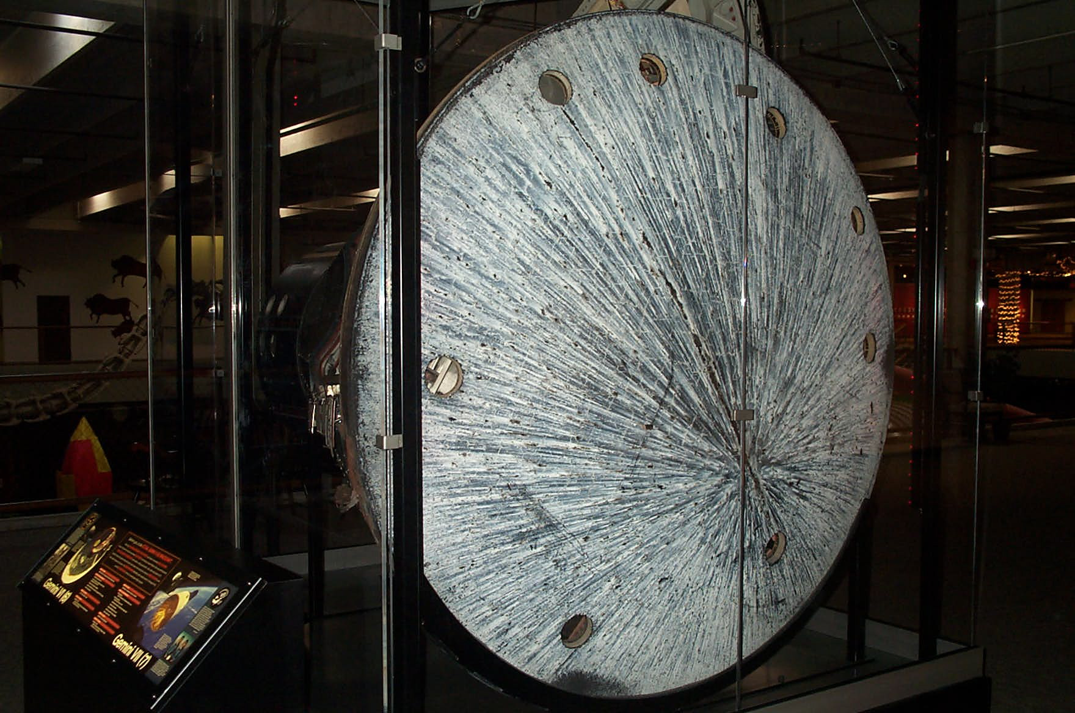

 |  | Core Size | Count
 | Yellow | 3" Circle | 0
 | Red | 4" Circle | 8

Oklahoma History Center [Oklahoma City, OK]

GT7
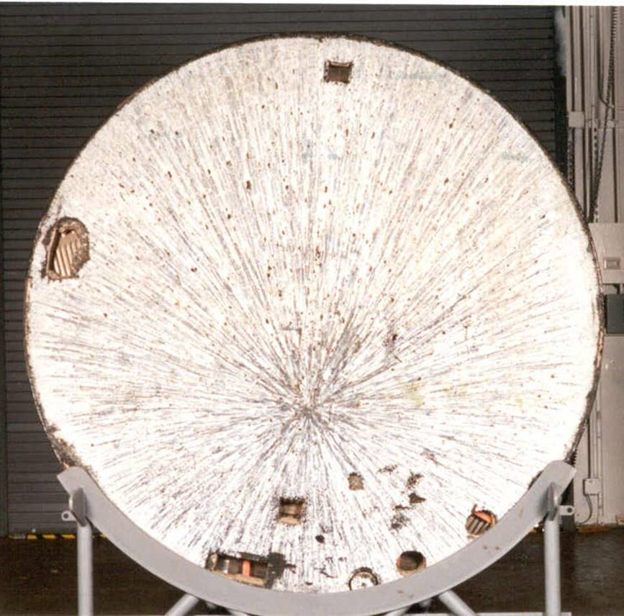

1
 |  | Core Size | Count
 | Yellow | 3" Circle | 0
 | Red | 4" Circle | 2

4
 |  | Cut # | Size (inches)
 | Blue | 1 | 4x4 | 16
 | Blue | 2 | 4x4 | 16
 | Blue | 3 | 10x4 | 40
 | Blue | 4 | 12x6 | 72

Circular cut started
but not extracted

2
3

National Air and Space Museum, Steven F. Udvar-Hazy Center [Chantilly, VA]

GT8
 | Entire heatshield removed following mission.
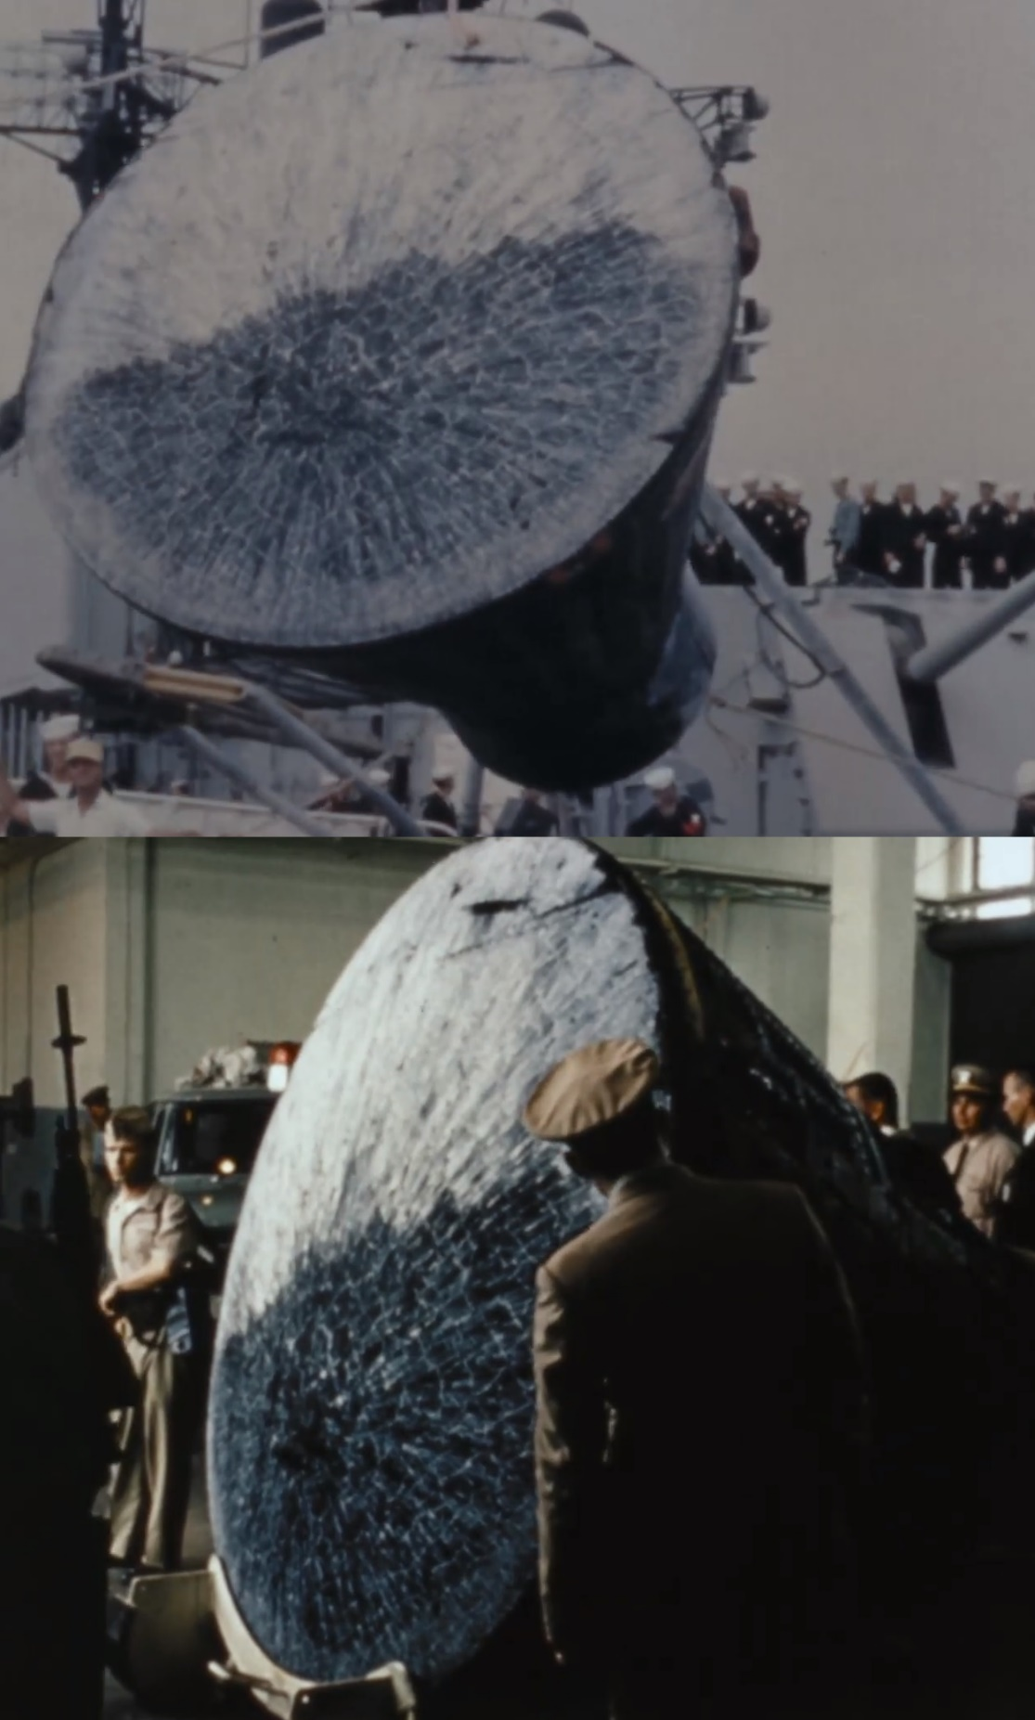

Neil Armstrong Air and Space Museum [Wapakoneta, OH]

GT9
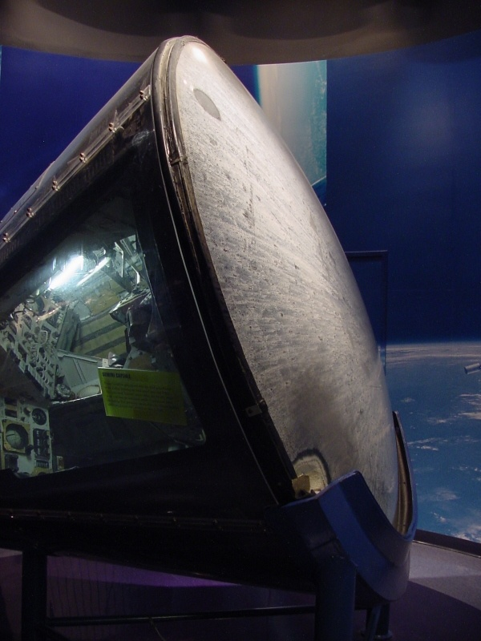
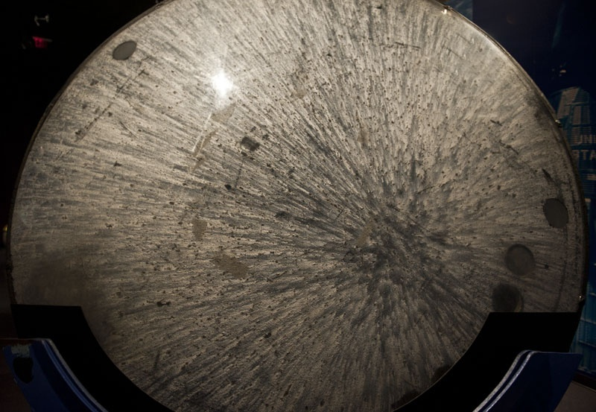
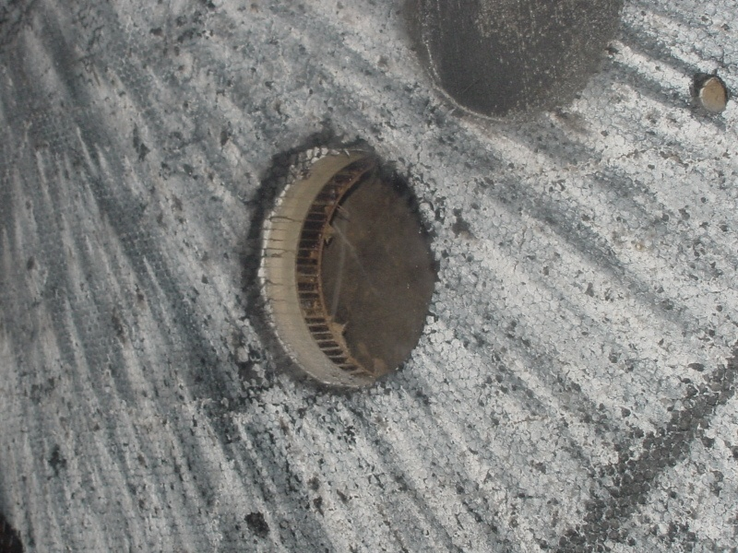

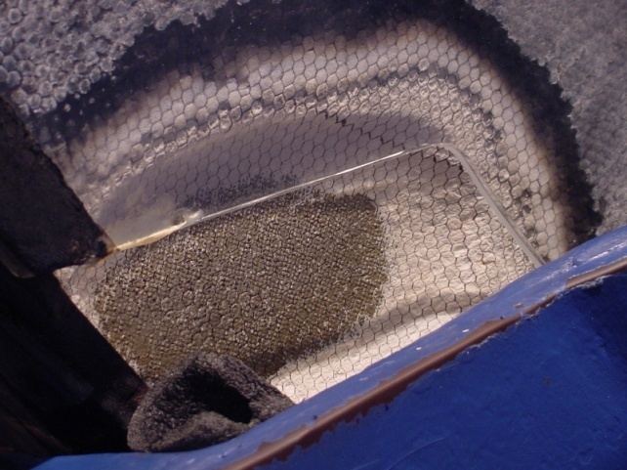

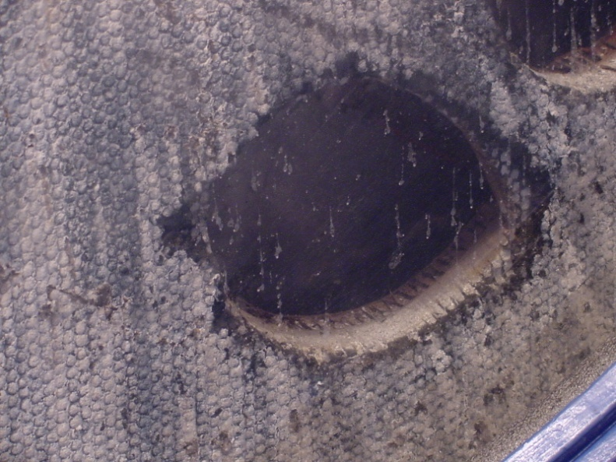
Worn away from
visitors touching
 |  | Core Size | Count
 | Yellow | 3" Circle | 0
 | Red | 4" Circle | 6

Kennedy Space Center Visitors Center [Titusville, FL]

GT10
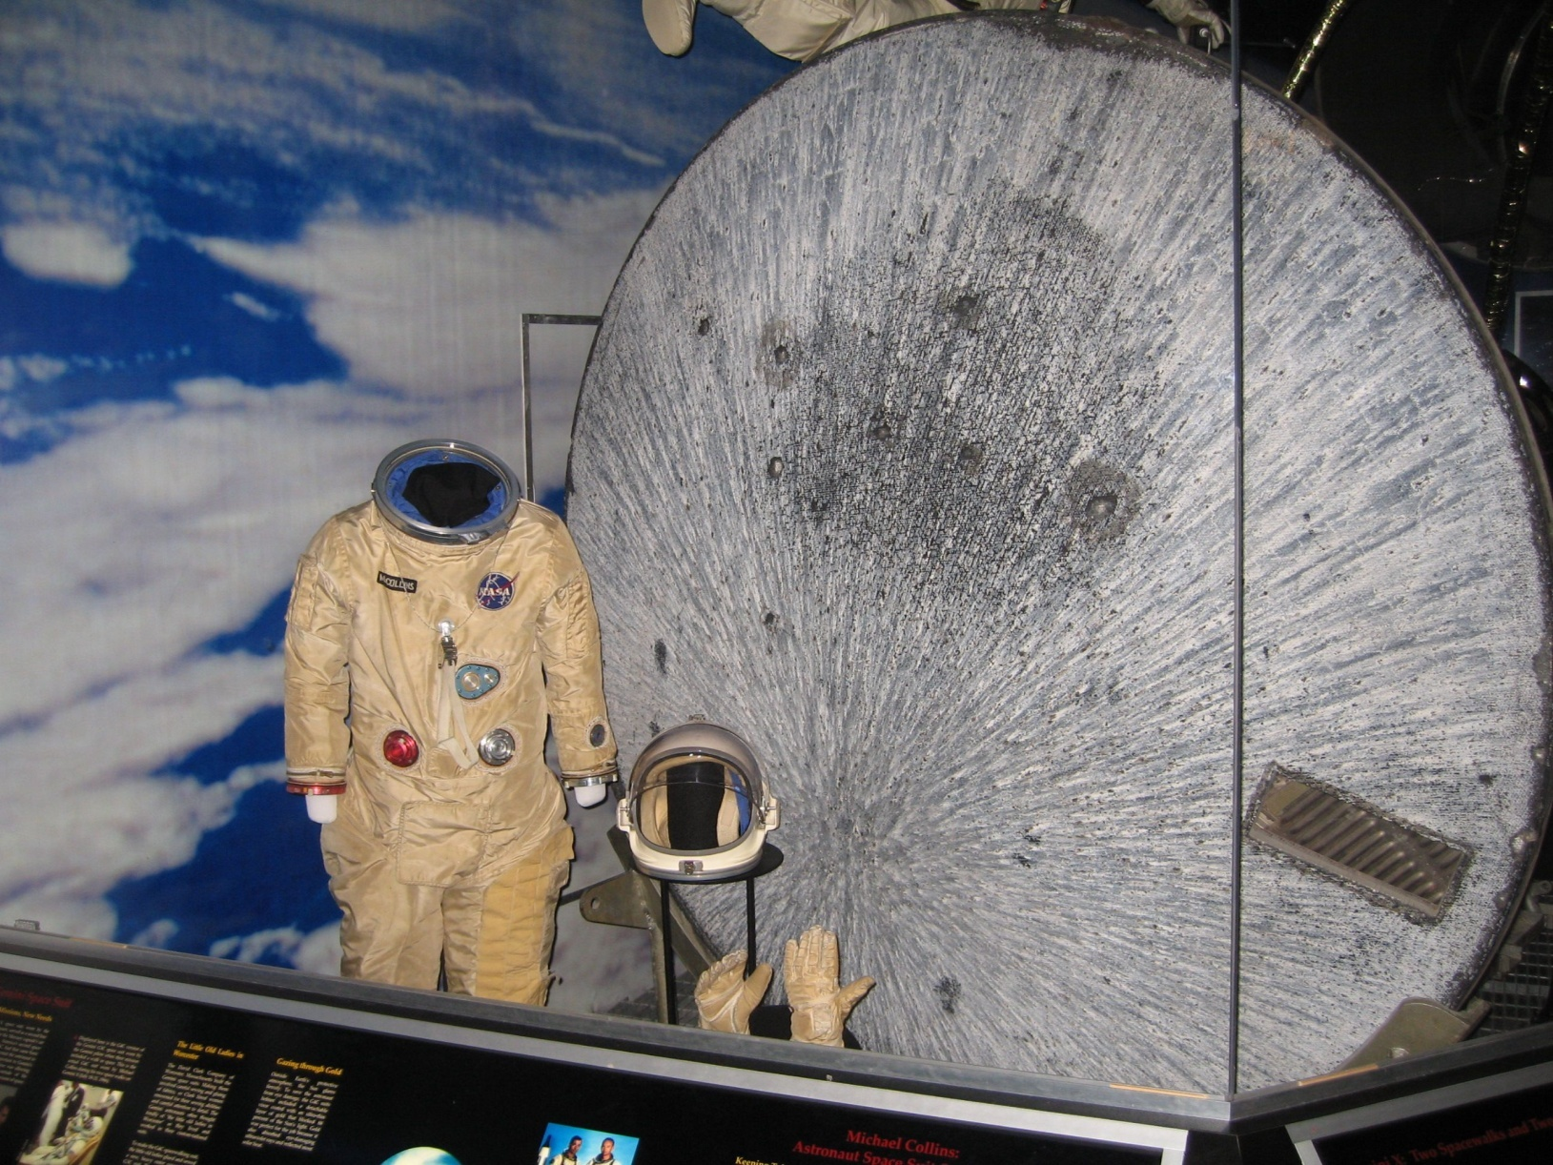

 |  | Core Size | Count
 | Yellow | 3" Circle | 0
 | Red | 4" Circle | 0

 |  | Cut # | Size (inches)
 | Blue | 1 | 18x6 | 108

1

Kansas Cosmosphere and Space Center [Hutchinson, KS]

GT11
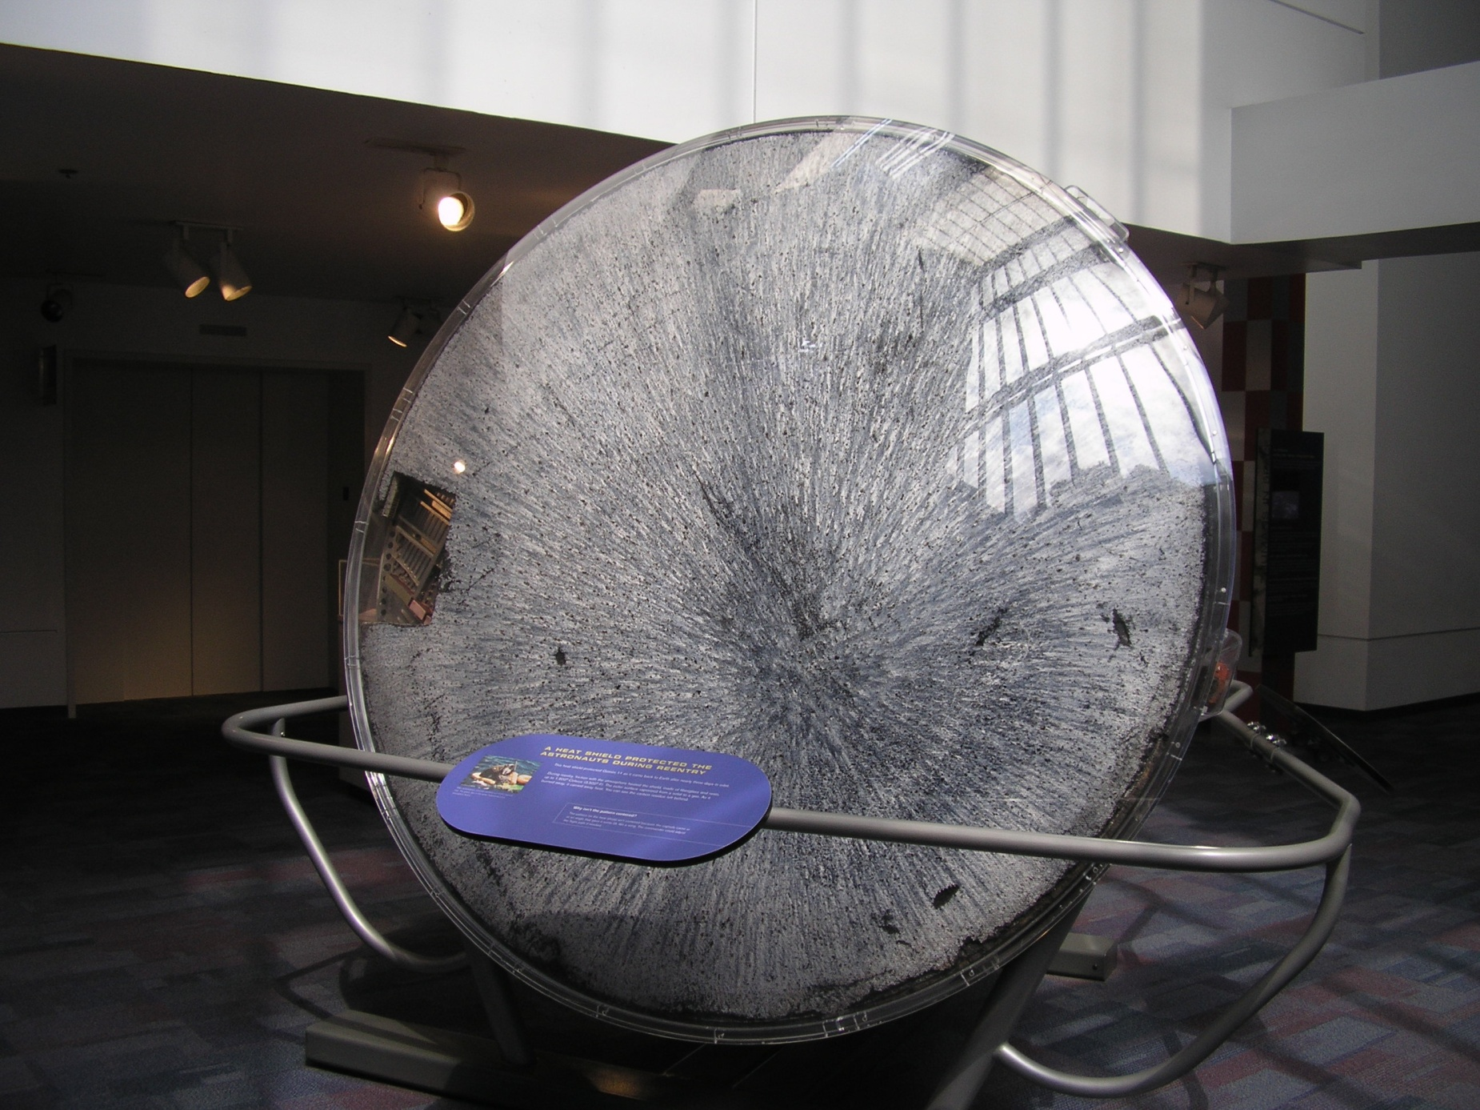

 |  | Core Size | Count
 | Yellow | 3" Circle | 0
 | Red | 4" Circle | 0
2
 |  | Cut # | Size (inches)
 | Blue | 1 | 9x9 | 81
 | Blue | 2 | (7.5x3.75)/2 | 14.0625

1

California Science Center [Los Angeles, CA]

GT12
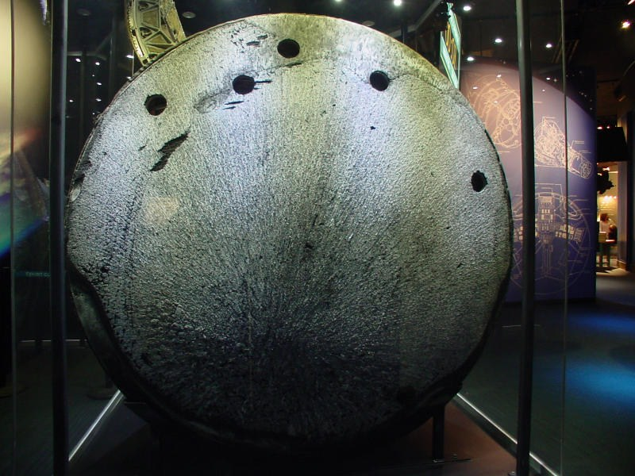

 |  | Core Size | Count
 | Yellow | 3" Circle | 0
 | Red | 4" Circle | 6

Adler Planetarium [Chicago, IL]

